Capacity factors
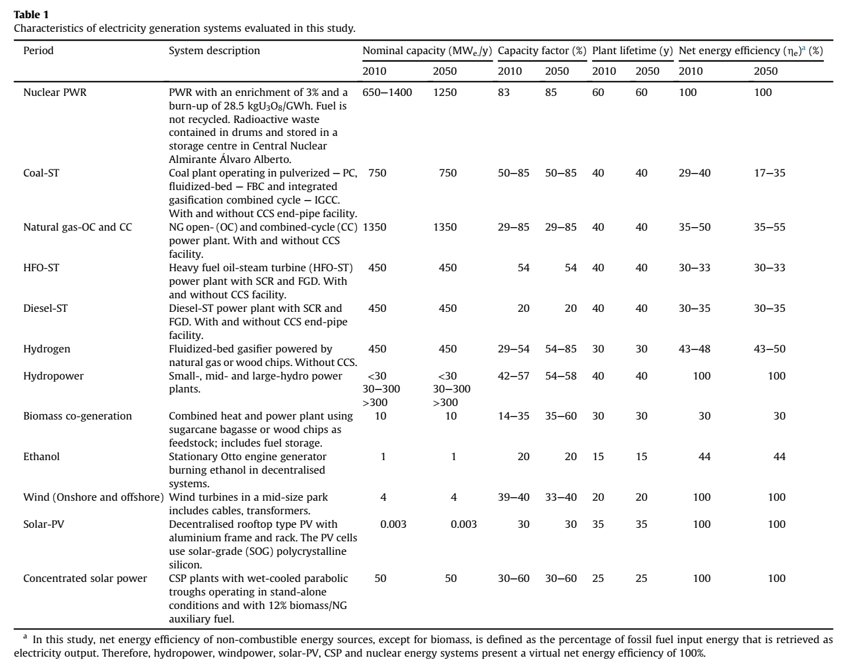
Expected Capacity Factor (dimensionless) | 2010 | 2050
hard coal | 0.500 | 0.500
natural gas nonpeaker | 0.550 | 0.550
nuclear | 0.830 | 0.850
hydro | 0.495 | 0.560
onshore wind | 0.390 | 0.365
solar PV | 0.300 | 0.300
solar thermal | 0.218 | 0.675
biomass | 0.245 | 0.475
geothermal | 0.740 | 0.814
petroleum | 0.056 | 0.061
natural gas peaker | 0.150 | 0.150
lignite | 0.716 | 0.787
offshore wind | 0.400 | 0.400
crude oil | 0.200 | 0.200
heavy or residual fuel oil | 0.540 | 0.540
municipal solid waste | 0.680 | 0.748

